Sheet1
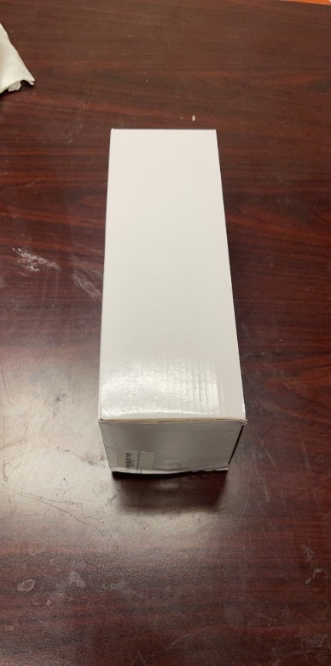
Category | Image | Qty | Retail | AMAZON LINK
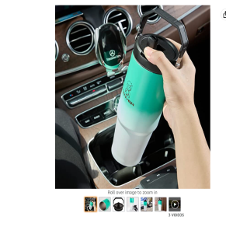 water bottles |  | 415 | $48.99 | https://www.amazon.com/dp/B0B9SFM8SF?ref=myi_title_dp
water bottles |  | 894 | $48.99 | https://www.amazon.com/dp/B0B9RXPMBL?ref=myi_title_dp
water bottles |  | 870 | $48.99 | https://www.amazon.com/dp/B0B9S1YQYH?ref=myi_title_dp
water bottles | 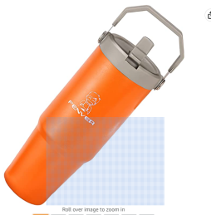 | 829 | $48.99 | https://www.amazon.com/dp/B0B9S679HB?ref=myi_title_dp
water bottles |  | 548 | $48.99 | https://www.amazon.com/dp/B0B9S6K2K8?ref=myi_title_dp
water bottles | 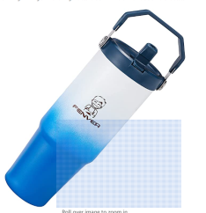 | 399 | $48.99 | https://www.amazon.com/dp/B0B9S6RKSX?ref=myi_title_dp
 |  | 877 | $19.99 | https://www.amazon.com/dp/B0B9SJVXJW?ref=myi_title_dp
 | 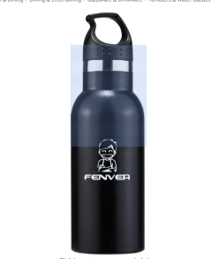 | 812 | $19.99 | https://www.amazon.com/dp/B0B9SJVXJW?ref=myi_title_dp
 |  | 5644

